Veteran
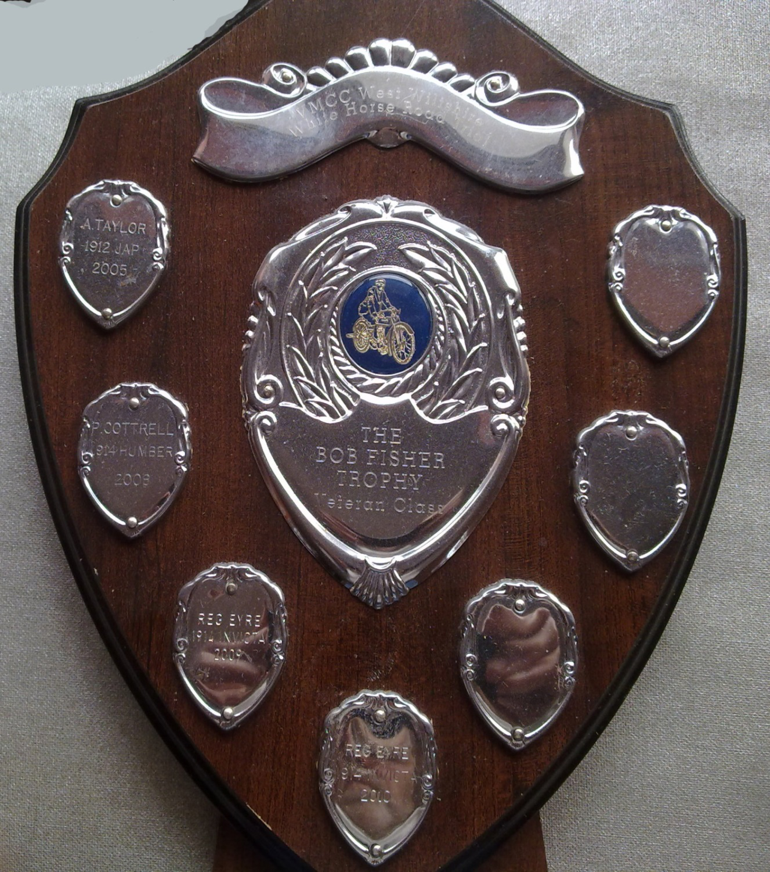
VMCC West Wilts Section - White Horse Scatter
List of Winners for The Veteran Trophy
Event Year | Rider | Machine
2005 | A Taylor | 1913 JAP
2006 | Not awarded
2007 | Not awarded
2008 | Peter Cotterel | 1914 Humber
2009 | Reg Eyre | 1914 Invicta
2010 | Reg Eyre | 1914 Invicta
2011 | Not awarded
2012 | Not awarded
2013 | Not awarded
2014 | Reg Eyre | 1914 Invicta
2015 | Not awarded
2016 | Not awarded
2017 | Not awarded
2018 | Not awarded
2019 | Reg Eyre
2020 | COVID - no event
2021 | Reg Eyre | 1913 Sunbeam
2022 | Not awarded
2023 | Reg Eyre | 1913 Sunbeam
2024 | Jon Wiggins | 1910 Triumph
2025 | Reg Eyre | 1913 Sunbeam
2026 | Jon Wiggins | 1910 Triumph

Early Vintage
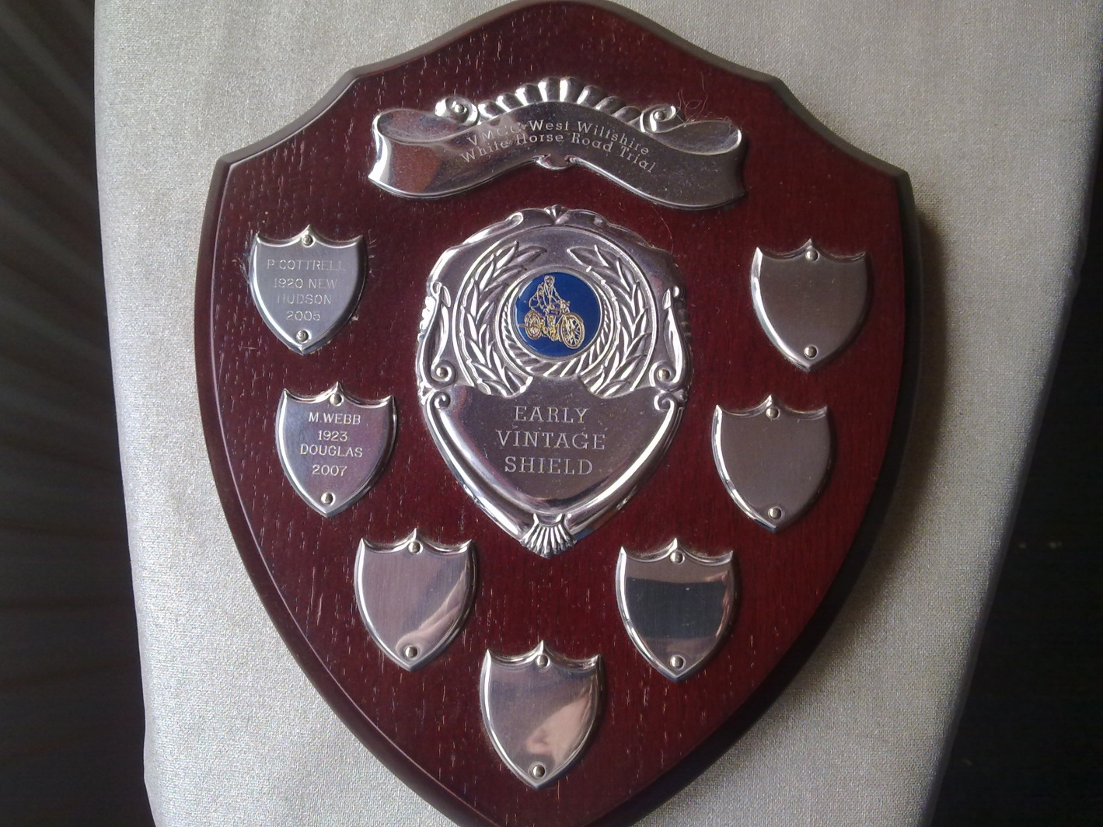
VMCC West Wilts Section - White Horse Scatter
List of Winners for The Early Vintage Trophy
Event Year | Rider | Machine
2005 | Peter Cotterel | 1920 New Hudson
2006 | Not awarded
2007 | M Webb | 1923 Douglas
2008 | Not awarded
2009 | Not awarded
2010 | Not awarded
2011 | Rhett Fisher | 1917 Alldays & Onions
2012 | Rhett Fisher | 1917 Alldays & Onions
2013 | Rhett Fisher | 1917 Alldays & Onions
2014 | not awarded
2015 | Not awarded
2016 | Not awarded
2017 | not awarded
2018 | Not awarded
2019 | Not awarded
2020 | COVID - Event not Run
2021 | Not awarded
2022 | Not awarded
2023 | Not awarded
2024 | Steve Sumner | 1920 Lea&Francis
2025 | Rod Thompson | 1922 Velocette
2026 | Chris Fisher | 1915 Alldays & Onions

Late Vintage
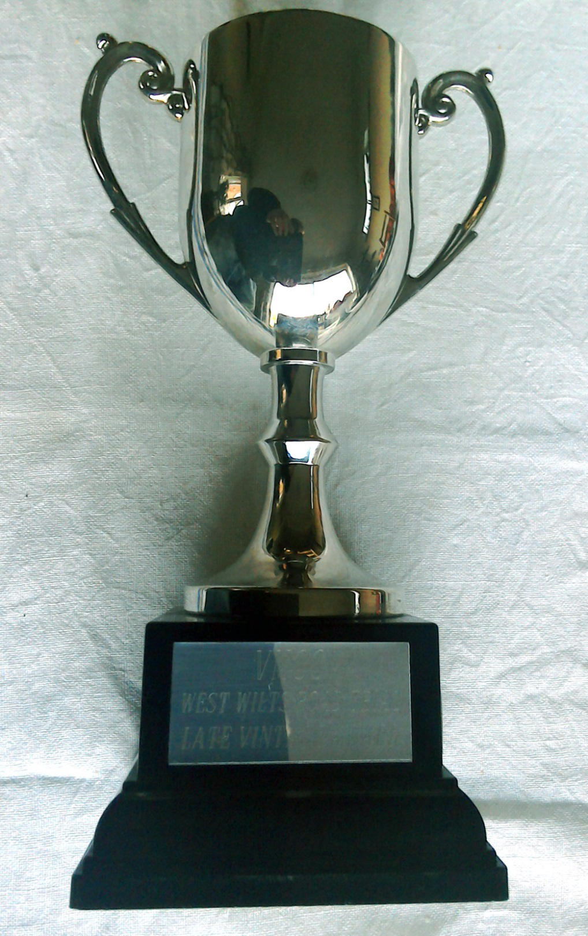
VMCC West Wilts Section - White Horse Scatter
List of Winners for The Late Vintage Trophy
Event Year | Rider | Machine
2005 | Rhett Fisher | 1928 Douglas
2006 | Not Awarded
2007 | Reg Eyre | 1928 Ariel
2008 | Reg Eyre | 1928 Ariel
2009 | Paul Button | 1928 Scott
2010 | Paul Button | 1927 Scott
2011 | Rex Mather | 1927 AJS
2012 | Rex Mather | 1927 AJS
2013 | Paul Button | 1927 Scott
2014 | Reg Eyre | 1928 Ariel
2015 | George(Chris) & Peter Kaye | 1929 Sunbeam Outfit
2016 | Chris & Peter Kaye | 1929 Sunbeam Outfit
2017 | Chris & Peter Kaye | 1929 Sunbeam Outfit
2018 | Chris & Peter Kaye | 1929 Sunbeam Outfit
2019 | Chris & Peter Kaye | 1929 Sunbeam Outfit
2020 | COVID - Event not Run
2021 | Dennis Beale | 1925 BSA
2022 | Not Awarded
2023 | Steve Sumner | 1926 BSA
2024 | Andrew Rae | 1930 Sunbeam
2025 | Steve Sumner | 1928 New Imperial
2026 | Chris Brown | 1928 Levis

Post Vintage
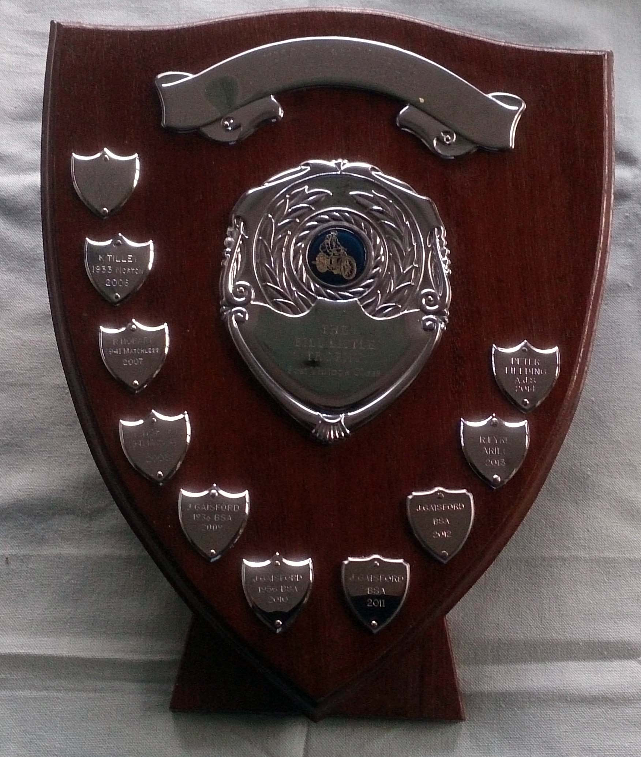
VMCC West Wilts Section - White Horse Scatter
List of Winners for The Post Vintage Trophy
Event Year | Rider | Machine
2005 | Jim Gaisford | 1940 BSA
2006 | Ken Tilley | 1935 Norton
2007 | Dick Hobart | 1941 Matchless
2008 | Dick Hobart | 1941 Matchless
2009 | Jim Gaisford | 1936 BSA
2010 | Jim Gaisford | 1937 BSA
2011 | Jim Gaisford | 1936 BSA
2012 | Jim Gaisford | 1936 BSA
2013 | Reg Eyre | 1942 Ariel
2014 | Peter Fielding | 1936 AJS
2015 | John Webb | Scott
2016 | Reg Ayre | 1942 Ariel
2017 | Dick Hobart | 1936 Ariel
2018 | Not Awarded
2019 | Jim Gaisford | 1936 BSA
2020 | COVID Event No Run
2021 | Tony Barnett | 1938 Ariel
2022 | Jim Gaisford | 1936 BSA
2023 | Rob Parker Norman | 1933 Morgan
2024 | Colin Durnell | 1937 Red Panther
2025 | Colin Durnell | 1937 Red Panther
2026 | Chris Wastell | 1936 Moto Guzzi

Post War
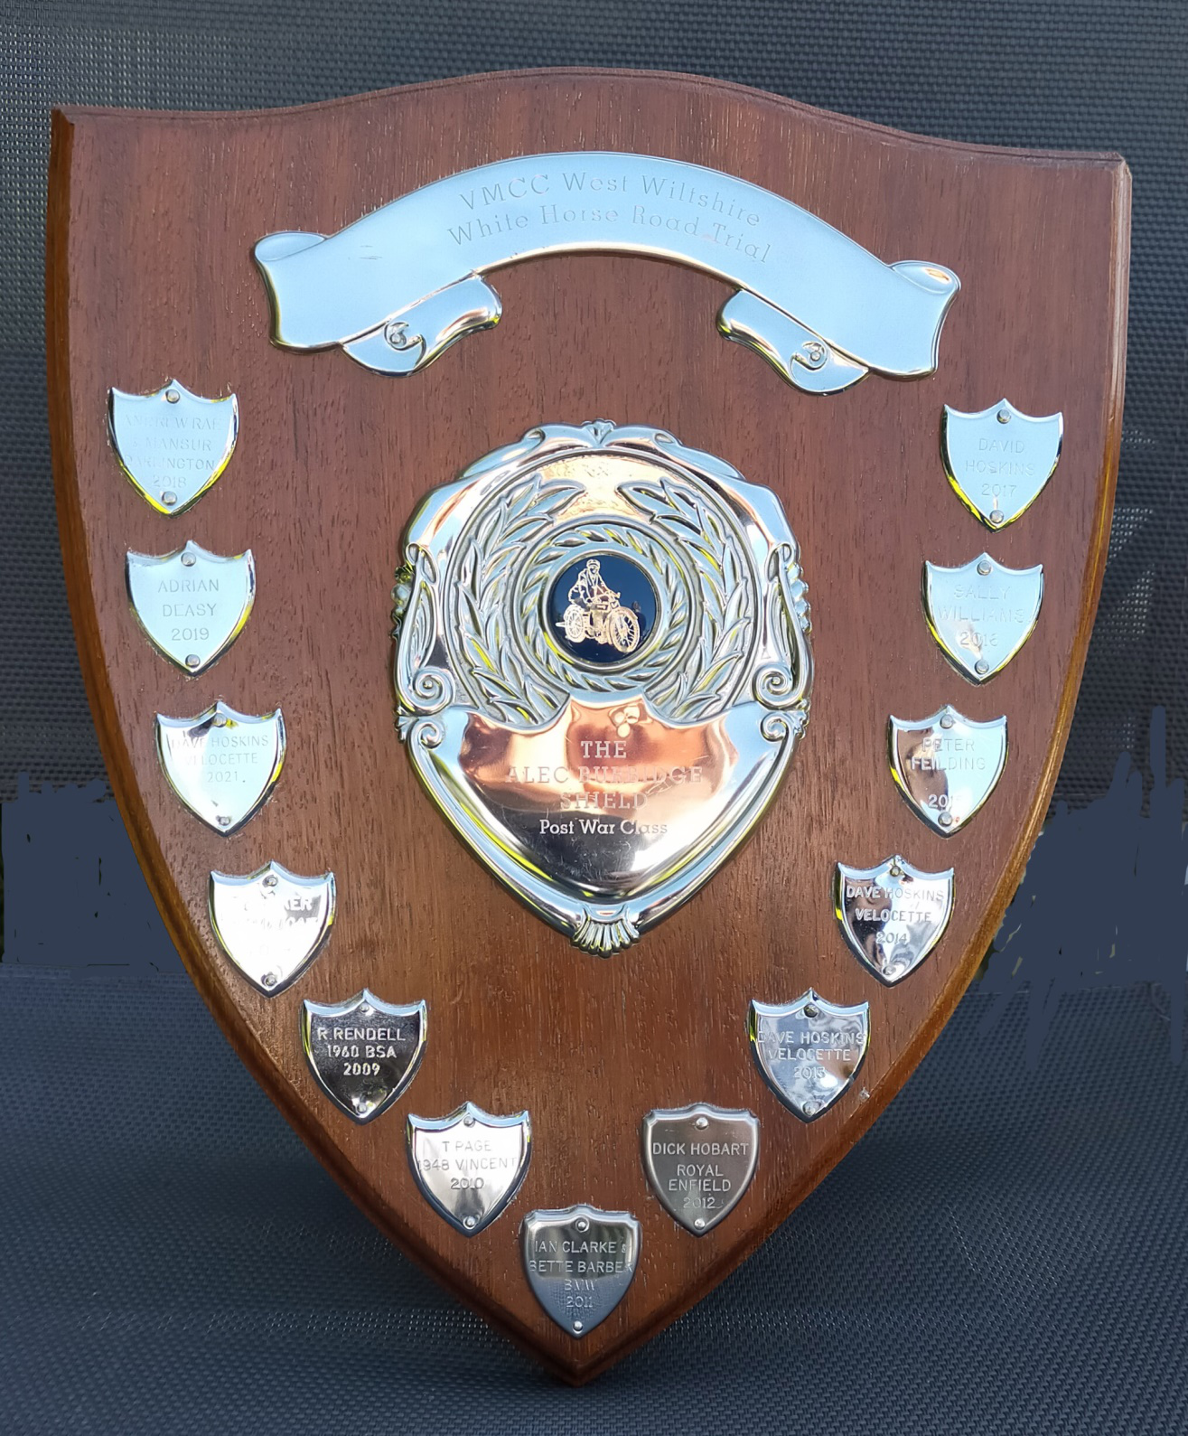
VMCC West Wilts Section - White Horse Scatter
List of Winners for The Post War Trophy
Event Year | Rider | Machine
2005 | Unclear
2006 | Tom Barker | 1959 Ducati
2007 | Tom Barker | 1959 Ducati
2008 | Tom Barker | 1959 Ducati
2009 | Robert Rendell | 1960 BSA
2010 | Tony Page | 1948 Vincent
2011 | Ian Clarke & Bette Barber | 1963 BMW
2012 | Dick Hobart | Royal Enfield
2013 | Dave Hoskins | 1954 Velocette
2014 | Dave Hoskins | 1954 Velocette
2015 | Peter Fielding | 1956 BMW
2016 | Sally Williams | 1958 Triumph
2017 | Dave Hoskins | 1954 Velocette
2018 | Andrew Rae & Mansur Darlington | Ariel Sidecar
2019 | Adrian Deasy | 1966 Triumph
2020 | COVID no event
2021 | Dave Hoskins | 1954 Velocette
2022 | Frank Chapman | 1969 Honda
2023 | Dave Hoskins | 1961 Velocette
2024 | Dino Jeffs | 1949 Norton
2025 | Peter Fielding | 1955 Velocette
2026 | David Hoskins | 1954 Velocette

Late Classic
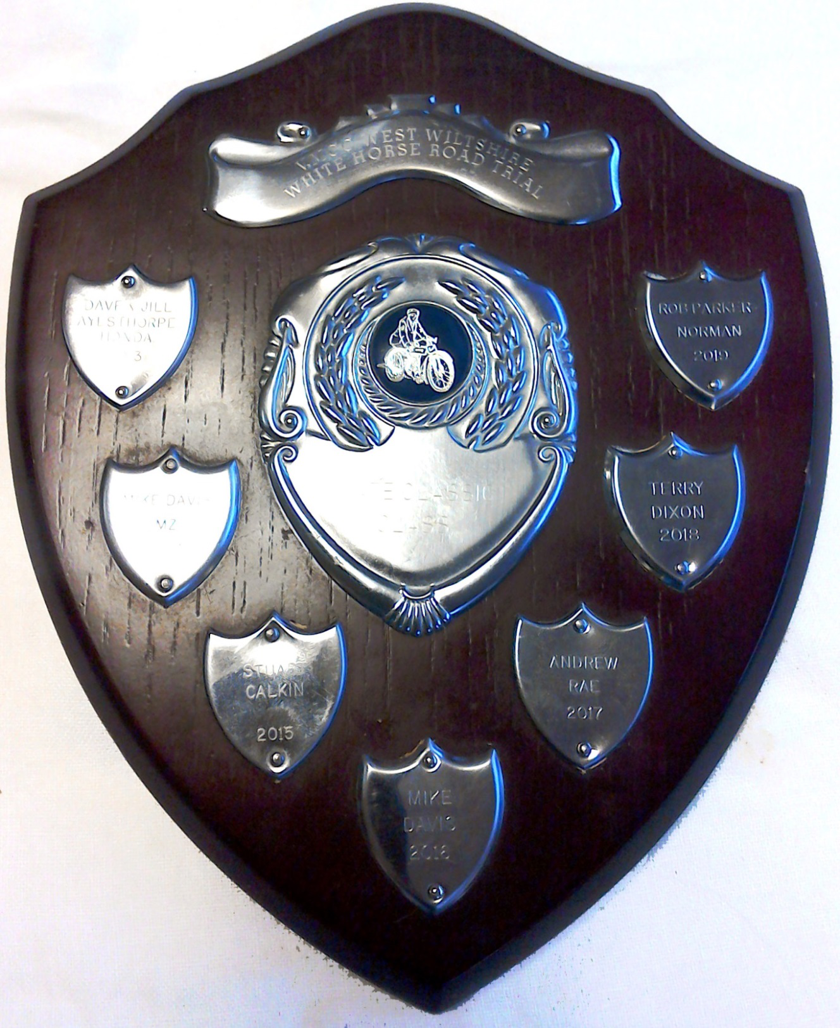
VMCC West Wilts Section - White Horse Scatter
List of Winners for The Late Classic Trophy
Event Year | Rider | Machine
2005 | Peter Fielding | 1971 MZ
2006 | Peter Fielding | 1971 MZ
2007 | Colin Smith | 1973 Honda
2008 | Steve Hardwidge | 197 Moto Guzzi
2009 | Kate Rendell | 1983 Honda
2010 | Ian Clarke& Bette Barber | 1974 BMW
2011 | Paul Button | Hercules
2012 | Dave Ayesthorpe | 1971 Honda
2013 | Dave Ayesthorpe | 1971 Honda
2014 | Mike Davis | 1978 MZ
2015 | Stuart Calkin | 1980 Honda
2016 | Mike Davis | 1978 MZ
2017 | Andrew Rae | 1984 MZ
2018 | Terry Dixon | 1978 MZ
2019 | Rob Parker-Norman | 1979 MZ
2020 | COVID - No event
2021 | Stuart Calkin | 1980 Honda
2022 | Paul Sutton | 1979 Suzuki
2023 | Stuart Calkin | 1980 Honda
2024 | John Webb | 1994 Yamaha
2025 | Neil Evans | 1973 Kawasaki
2026 | Nickolas Kotarski | 1987 Honda

Best WW
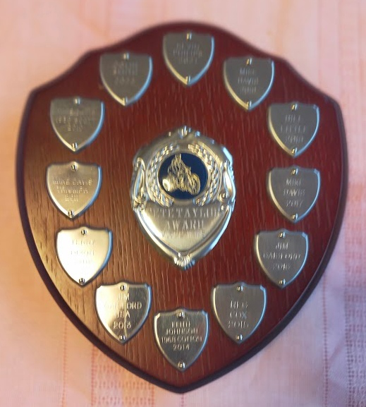
VMCC West Wilts Section - White Horse Scatter
List of Winners for TheBest WW Rider Trophy
Event Year | Rider | Machine
2010 | Mike Davis | 1936 Scott
2011 | Mike Davis | 1968 Triumph
2012 | Terry Dixon | 1976 BMW
2013 | Jim Gaisford | 1936 BSA
2014 | Keith Johnston | 1968 Cotton
2015 | Reg Cox | 1981 Triumph
2016 | Jim Gaisford | 1936 BSA
2017 | Mike Davis | 1978 MZ
2018 | Bill Little | 1978 MZ
2019 | Mike Davis | 1979 Honda
2020 | COVID - no event
2021 | Kevin Phillips | 1994 Yamaha
2022 | Colin Smith | 1976 Honda
2023* | Kevin Phillips | 1994 Yamaha
2024 | Colin Smith | 1976 Honda
2025 | Chris Brown | 1992 Suzuki
2026 | Jon Hall | 1960 Moto Guzzi
* not engraved

Ladies
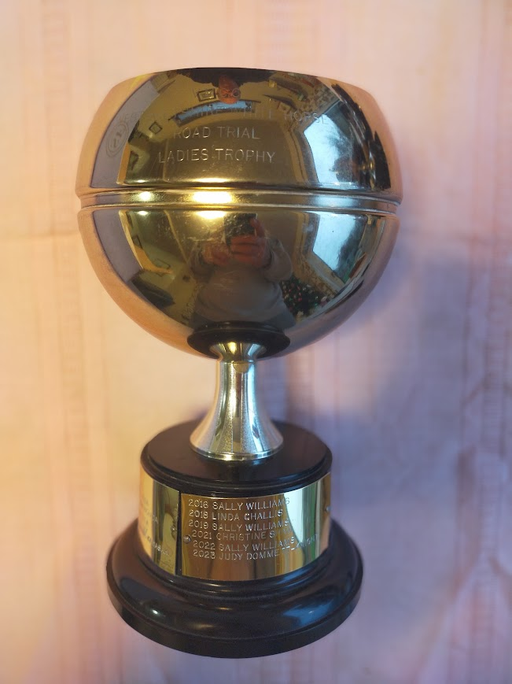
VMCC West Wilts Section - White Horse Scatter
List of Winners for The Ladies Trophy
Event Year | Rider | Machine
2005 | Julia Fisher | 1956 BSA
2006 | Linda Challis | 1977 MZ
2007 | Not Awarded
2008 | Not Awarded
2009 | Not Awarded
2010 | Jenny Hart | 1930 BSA 3 Wheeler
2011 | JennySurron | 1981 Honda
2012 | Toni Bawdon | BSA Bantam
2013 | Linda Challis | 1977 MZ
2014 | Antionette Bawdon | Kawasaki
2015 | Linda Challis | 1977 MZ
2016 | Sally Williams | 1958 Triumph
2017 | Not Awarded
2018 | Linda Challis | 1985 Yamaha
2019 | Sally Williams | 1929 Ariel
2020 | COVID - Event not Run
2021 | Christine Shaw | 1979 Suzuki
2022 | Sally Williams | 1990 Yamaha
2023 | Judy Dommett-Knight | 1993 Yamaha
2024 | Judy Dommett-Knight | 1993 Yamaha
2025 | Judy Dommett-Knight | 1980 Honda
2026 | Di Walker | 1982 Moto Guzzi

Sidecar
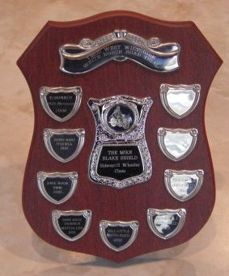
VMCC West Wilts Section - White Horse Scatter
List of Winners for The Three Wheeler Trophy
Event Year | Rider | Machine
2008 | Dave & Sue Skinner | 1926 Matchless
2009 | Jenny Hart | 1930 BSA
2010 | Dave & Sue Boon | 1984 BMW
2011 | Dave & Sue Skinner | 1926 Matchless
2012 | Dave & Sue Skinner | 1926 Matchless
2013 | Not Awarded
2014 | Bill Little | 1980 Moto Guzzi
2015 | Bill Little | 1980 Moto Guzzi
2016 | Garth & Janet Owen | 1990 BMW
2017 | Chris & Peter Kaye | 1929 Sunbeam
2018 | Owen Ingram & Stephen Manders | 1955 Ariel
2019 | Bill Little | 1957 Ariel
2020 | COVID - Event not Run
2021 | Steve & Nancy Smith | 1984 BMW
2022 | John Webb & Elizabeth Watkinson | 1981 Yamaha
2023 | Steve & Nancy Smith | 1984 BMW
2024 | Steve & Nancy Smith | 1984 BMW
2025 | Steve & Nancy Smith | 1984 BMW
2026 | Adam & Fred Atkins | 1981 Pembleton

2-Stroke
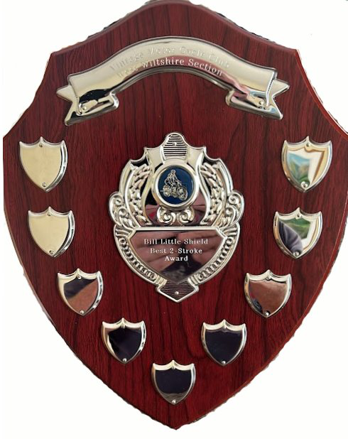
VMCC West Wilts Section - White Horse Scatter
List of Winners for The Two Stroke Trophy
Event Year | Rider | Machine
 | Not Presented until 2024
2024 | Mark Evans | 1985 MZ
2025 | Chris Woolley | 1967 BSA
2026 | Peter Fielding | 1980 MZ

